Script
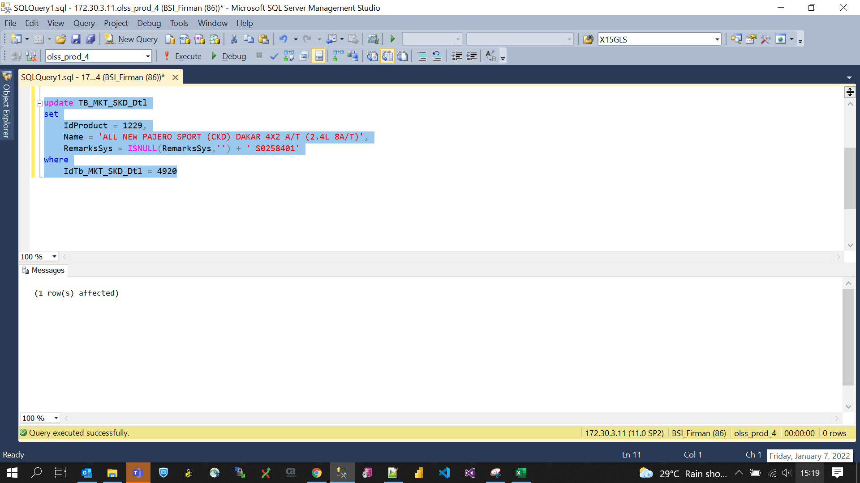
update TB_MKT_SKD_Dtl
set
 | IdProduct = 1229,
 | Name = 'ALL NEW PAJERO SPORT (CKD) DAKAR 4X2 A/T (2.4L 8A/T)',
 | RemarksSys = ISNULL(RemarksSys,'') + ' S0258401'
where
 | IdTb_MKT_SKD_Dtl = 4920

Screenshot
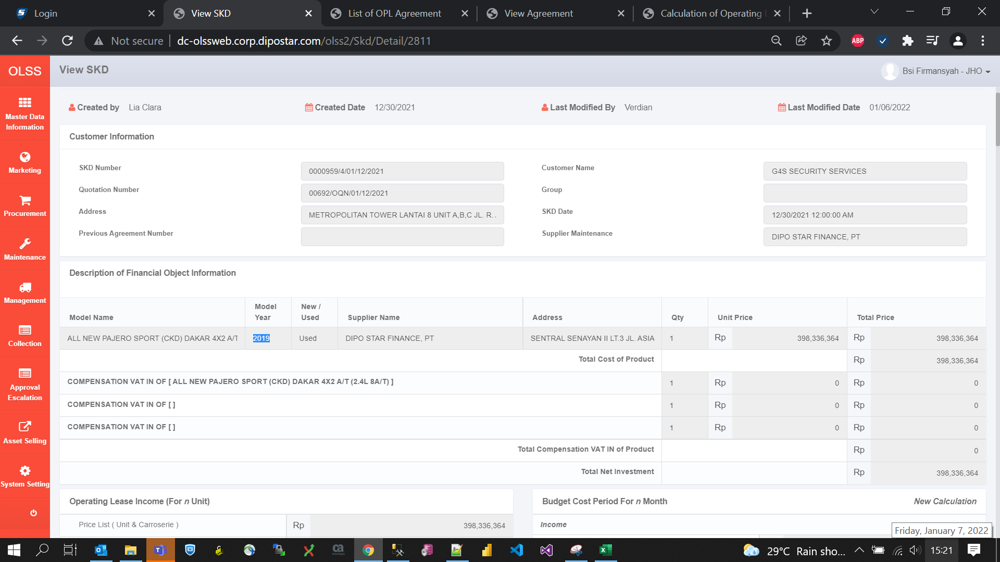
BEFORE
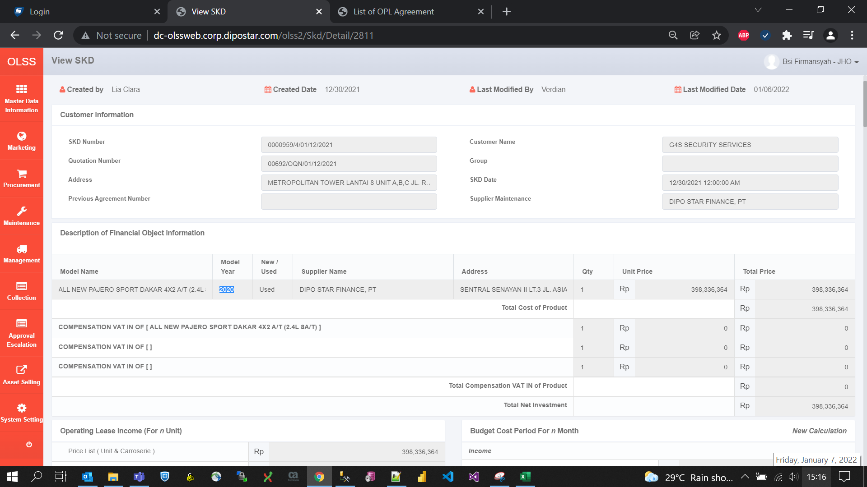

AFTER

